Candidate_list
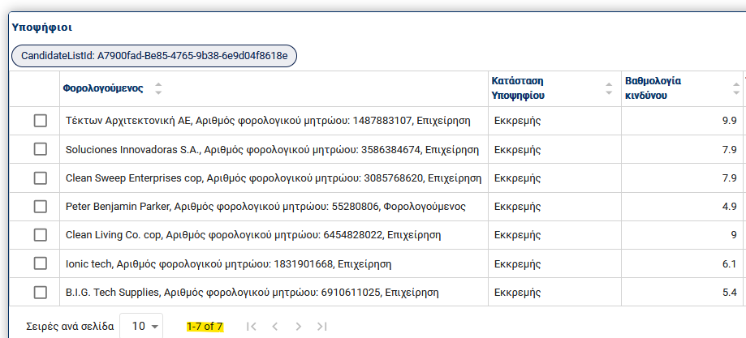
form_id | Name | party_role_id | Risk Score
90f32976-41d3-4030-b4c9-fa46818dfe3a | Τέκτων Αρχιτεκτονική ΑΕ | e0b28007-339e-43db-8d1c-6e84ee9dd502 | 9.9
1dc17933-365b-40a1-9b0f-925cb58080e4 | Soluciones Innovadoras S.A. | 16008b1d-471c-459f-b9fd-478e98008124 | 7.9
bdda30ff-fc65-42af-904d-9cbe6e1335ee | Clean Sweep Enterprises cop | 164f0f1c-673e-48d9-859b-4786aed1e8d1 | 7.9
24d5b92e-3cbc-4bc0-b650-32075631b0d6 | Peter Benjamin Parker | 2cd2f54f-89f8-4bf6-967d-d87e9c112392 | 4.9
0b465921-e54d-4062-bcee-f91737ba93b4 | Clean Living Company Co. cop | 2f1b7e1a-c9a7-435a-8e97-150bb8b93909 | 9
2f8af853-4794-4e00-a52d-a7d41ad65128 | Ionic tech | 39c2bc8b-7aa6-47ec-b8bd-e5d53c729048 | 6.1
cbc90621-4e56-4ebf-9e4e-14fefd0722d6 | B.I.G. Tech Supplies | 3a440609-fd7e-4f52-88d2-7e50fcf6bb10 | 5.4
3c617480-a391-42f0-a07e-4930f72c003a | Nordic Fitness | 45b9ff03-2ac0-49b4-a715-ce088fdb0fc2
5edbcf3f-bb1e-4fb7-82a7-4c9ca5644b25 | PlywoodInc | 466e62c6-796f-4131-b956-70e7131772ee
c6cccd55-2538-4a7c-afdb-3809ca76f85c | Dansk EnergiTech ApS | 4ba8c475-d866-4f7f-a29b-55262007812b
3ec56d82-451a-4faf-84ff-dab5ba57da75 | Sonar Technologies | 5233e4ff-38ae-4de8-858c-d21a0da93d33
b6ac9630-0015-46c9-9fd8-b9c77129690b | Mediterranean Logistic | 6c5e9f88-ff29-455b-8b5b-94922c79b52f
336780d6-0070-499d-b93d-9b2f83f8b8d5 | Talos Inc. | 8f33560a-5d32-4e68-87d2-3354c63c8c6d
cde6c117-b3d8-45b4-9303-fb293ebafb77 | Careful Hands Cleaning Co. cop | f65c8850-a9e6-476f-b80b-723c4993b01f

Note that the ones with Score were short-listed and are in Candidate List in IRM
https://azdemo.icarus/revenue-management/page/CandidateList/a7900fad-be85-4765-9b38-6e9d04f8618e

